Uber
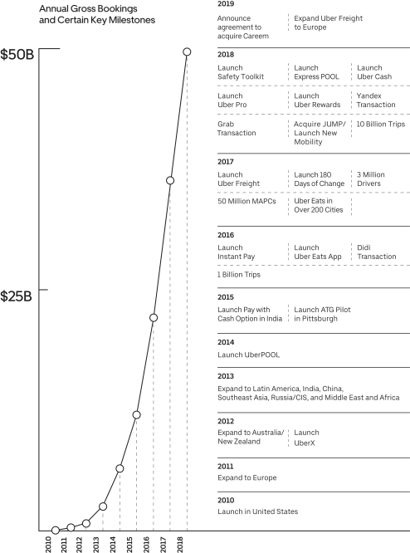
 | Uber
 | SEC Report (A) |  |  |  |  |  |  |  |  | Other Sources |  | Derived Fields
 | Revenue ($millions) | Gross Bookings ($millions) (1,2) | Annual Trips (millions) (3) | Revenue / Bookings | Bookings / Trip | Gross Bookings from Ridesharing | Share of bookings from ridesharing (4) | Share of bookings in US | Share of trips in US | Annual Trips (millions) (B) | US Market Share (C) | Estimated bookings from ridehailing | Estimated ridehail bookings in US | US Market Share | Ridehail bookings / trip (5) | Estimated Annual Trips (6) | Estimated annual trips in US
2012 |  | 583 |  |  |  |  | 1.00 |  |  |  |  | 583 |  |  |  | 55
2013 |  | 2,332 |  |  |  |  | 1.00 |  |  |  |  | 2,332 |  |  |  | 220
2014 | 495 | 5,829 |  |  |  |  | 1.00 |  |  | 140 |  | 5,829 |  |  |  | 551
2015 | 1,995 | 10,492 |  |  |  |  | 1.00 |  |  |  | 0.916 | 10,492 |  |  |  | 992
2016 | 3,845 | 19,236 | 1,818 | 0.20 | 10.58 | 18,800 | 0.98 |  |  | 1,818 | 0.856 | 18,800 |  |  | 10.34 | 1,818
2017 | 7,932 | 34,409 | 3,736 | 0.23 | 9.21 |  | 0.91 |  |  | 3,736 | 0.778 | 31,152 |  |  | 8.34 | 3,736
2018 | 11,270 | 49,799 | 5,220 | 0.23 | 9.54 | 41,500 | 0.83 | 0.52 | 0.26 | 5,220 | 0.729 | 41,500 | 21,580 | 0.728 | 7.95 | 5,220 | 1,357

 |  |  |  |  |  |  |  |  |  |  |  |  | 29,634
Sources:
A | https://www.sec.gov/Archives/edgar/data/1543151/000119312519103850/d647752ds1.htm
B | https://expandedramblings.com/index.php/uber-statistics/
C | https://www.vox.com/2018/12/12/18134882/lyft-uber-ride-car-market-share

Notes:
1 | Gross Bookings represent the total dollar value, including any applicable taxes, tolls, and fees, of Ridesharing and New Mobility rides, Uber Eats meal deliveries, and amounts paid by shippers for Uber Freight shipments, in each case without any adjustment for consumer discounts and refunds, Driver and restaurant earnings, and Driver incentives. Gross Bookings do not include tips earned by Drivers.
2 | Gross bookings prior to 2016 taken from graph below.
3 | Trips represent the number of completed consumer Ridesharing or New Mobility rides and Uber Eats meal deliveries in a given period. For example, an UberPOOL ride with three paying consumers represents three unique Trips, whereas an UberX ride with three passengers represents one Trip.
4 | 2016 and 2018 values are observed. Others are imputed.
5 | Ridehail bookings per trip decreases in recent years. We suspect this is due to a higher international share.
6 | Prior to 2016, we assume trips are proportional to bookings.

Chart2
 | Uber revenue Relative to 2018 | Uber bookings relative to 2018 | Trips relative to 2018
2012 | 0.001 | 0.028 | 0.019
2013 | 0.009 | 0.095 | 0.065
2014 | 0.039 | 0.197 | 0.140
2015 | 0.150 | 0.323 | 0.242
2016 | 0.263 | 0.531 | 0.444
2017 | 0.704 | 0.749 | 0.701
2018 | 1.000 | 1.000 | 1.000

